Dataset & Scatter plot
Freshwater | Marine | Origin | FreshAL | MarAL | FreshCan | MarCan
108 | 368 | Alaskan | 108 | 368 | 129 | 420
131 | 355 | Alaskan | 131 | 355 | 148 | 371
105 | 469 | Alaskan | 105 | 469 | 179 | 407
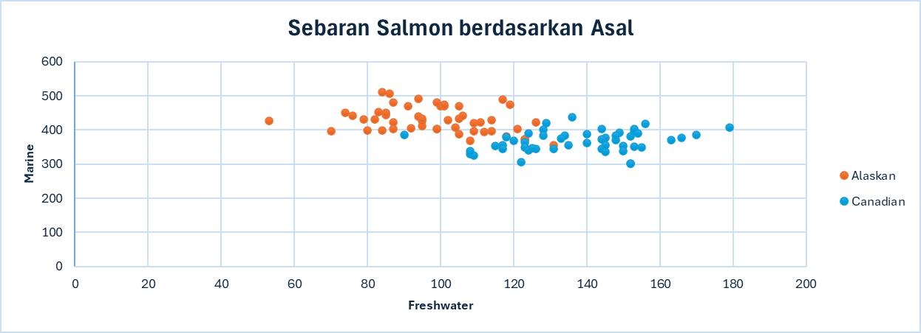
86 | 506 | Alaskan | 86 | 506 | 152 | 381 | Scatter Plot
99 | 402 | Alaskan | 99 | 402 | 166 | 377
87 | 423 | Alaskan | 87 | 423 | 124 | 389
94 | 440 | Alaskan | 94 | 440 | 156 | 419
117 | 489 | Alaskan | 117 | 489 | 131 | 345
79 | 432 | Alaskan | 79 | 432 | 140 | 362
99 | 403 | Alaskan | 99 | 403 | 144 | 345
114 | 428 | Alaskan | 114 | 428 | 149 | 393
123 | 372 | Alaskan | 123 | 372 | 108 | 330
123 | 372 | Alaskan | 123 | 372 | 135 | 355
109 | 420 | Alaskan | 109 | 420 | 170 | 386
112 | 394 | Alaskan | 112 | 394 | 152 | 301
104 | 407 | Alaskan | 104 | 407 | 153 | 397
111 | 422 | Alaskan | 111 | 422 | 152 | 301
126 | 423 | Alaskan | 126 | 423 | 136 | 438
105 | 434 | Alaskan | 105 | 434 | 122 | 306
119 | 474 | Alaskan | 119 | 474 | 148 | 383
114 | 396 | Alaskan | 114 | 396 | 90 | 385
100 | 470 | Alaskan | 100 | 470 | 145 | 337
84 | 399 | Alaskan | 84 | 399 | 123 | 364
102 | 429 | Alaskan | 102 | 429 | 145 | 376
101 | 469 | Alaskan | 101 | 469 | 115 | 354
85 | 444 | Alaskan | 85 | 444 | 134 | 383
109 | 397 | Alaskan | 109 | 397 | 117 | 355
106 | 442 | Alaskan | 106 | 442 | 126 | 345
82 | 431 | Alaskan | 82 | 431 | 118 | 379
118 | 381 | Alaskan | 118 | 381 | 120 | 369
105 | 388 | Alaskan | 105 | 388 | 153 | 403
121 | 403 | Alaskan | 121 | 403 | 150 | 354
85 | 451 | Alaskan | 85 | 451 | 154 | 390
83 | 453 | Alaskan | 83 | 453 | 155 | 349
53 | 427 | Alaskan | 53 | 427 | 109 | 325
95 | 411 | Alaskan | 95 | 411 | 117 | 344
76 | 442 | Alaskan | 76 | 442 | 128 | 400
95 | 426 | Alaskan | 95 | 426 | 144 | 403
87 | 402 | Alaskan | 87 | 402 | 163 | 370
70 | 397 | Alaskan | 70 | 397 | 145 | 355
84 | 511 | Alaskan | 84 | 511 | 133 | 375
91 | 469 | Alaskan | 91 | 469 | 128 | 383
74 | 451 | Alaskan | 74 | 451 | 123 | 349
101 | 474 | Alaskan | 101 | 474 | 144 | 373
80 | 398 | Alaskan | 80 | 398 | 140 | 388
95 | 433 | Alaskan | 95 | 433 | 150 | 339
92 | 404 | Alaskan | 92 | 404 | 124 | 341
99 | 481 | Alaskan | 99 | 481 | 125 | 346
94 | 491 | Alaskan | 94 | 491 | 153 | 352
87 | 480 | Alaskan | 87 | 480 | 108 | 339
129 | 420 | Canadian
148 | 371 | Canadian
179 | 407 | Canadian
152 | 381 | Canadian
166 | 377 | Canadian
124 | 389 | Canadian
156 | 419 | Canadian
131 | 345 | Canadian
140 | 362 | Canadian
144 | 345 | Canadian
149 | 393 | Canadian
108 | 330 | Canadian
135 | 355 | Canadian
170 | 386 | Canadian
152 | 301 | Canadian
153 | 397 | Canadian
152 | 301 | Canadian
136 | 438 | Canadian
122 | 306 | Canadian
148 | 383 | Canadian
90 | 385 | Canadian
145 | 337 | Canadian
123 | 364 | Canadian
145 | 376 | Canadian
115 | 354 | Canadian
134 | 383 | Canadian
117 | 355 | Canadian
126 | 345 | Canadian
118 | 379 | Canadian
120 | 369 | Canadian
153 | 403 | Canadian
150 | 354 | Canadian
154 | 390 | Canadian
155 | 349 | Canadian
109 | 325 | Canadian
117 | 344 | Canadian
128 | 400 | Canadian
144 | 403 | Canadian
163 | 370 | Canadian
145 | 355 | Canadian
133 | 375 | Canadian
128 | 383 | Canadian
123 | 349 | Canadian
144 | 373 | Canadian
140 | 388 | Canadian
150 | 339 | Canadian
124 | 341 | Canadian
125 | 346 | Canadian
153 | 352 | Canadian
108 | 339 | Canadian

